Sheet1
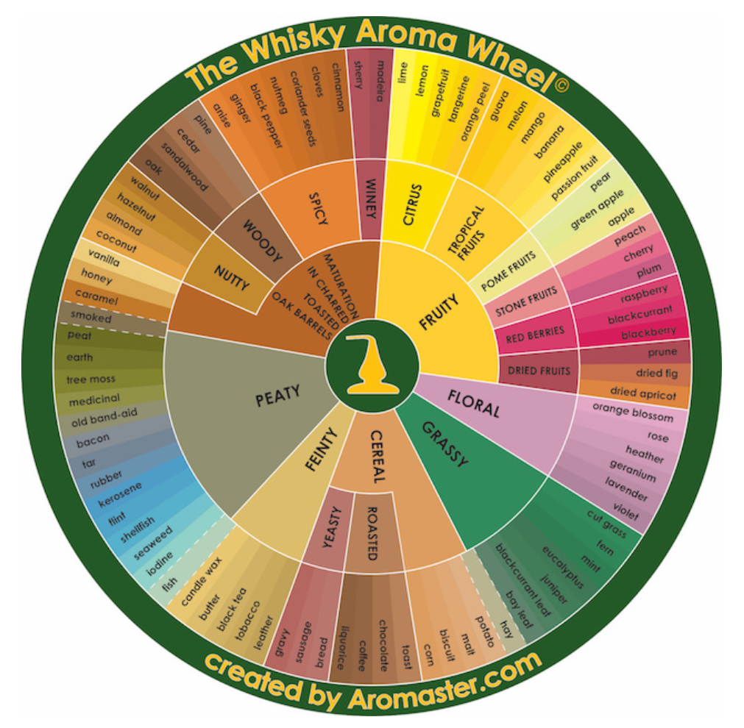
Axis name | Name of Aroma Wheel | Category of Aroma Wheel | Tag name | Tag weighting score
Malty | CEREAL | CEREAL | potato | 1
 |  |  | malt | 1
 |  |  | biscuit | 1
 |  |  | corn | 1
 |  | YEASTY | Yeasty - bread | 2
 |  |  | Yeasty - sausage | 2
 |  |  | Yeasty - gravy | 2
 |  | ROASTED | Roasted - toast | 3
 |  |  | Roasted - chocolate | 3
 |  |  | Roasted - coffee | 3
 |  |  | Roasted - liquarice | 3
Smokey | PEATY | PEATY | fish | 1
 |  |  | iodine | 1
 |  |  | seaweed | 1
 |  |  | shellfish | 1
 |  |  | flint | 2
 |  |  | kerosene | 2
 |  |  | rubber | 2
 |  |  | tar | 2
 |  |  | bacon | 2
 |  |  | old band-aid | 2
 |  |  | medicinal | 3
 |  |  | tree moss | 3
 |  |  | earth | 3
 |  |  | peat | 3
 |  |  | smoked | 3
Woody | MATURATION IN CHARRED TOASTED OAK BARRELS | MATURATION IN CHARRED TOASTED OAK BARRELS | vanilla | 1
 |  |  | honey | 1
 |  |  | caramel | 1
 |  | NUTTY | Nutty - coconut | 2
 |  |  | Nutty - almond | 2
 |  |  | Nutty - hazelnut | 2
 |  |  | Nutty - walnut | 2
 |  | WOODY | oak | 3
 |  |  | sandalwood | 3
 |  |  | cedar | 3
 |  |  | pine | 3
 |  | SPICY | Spicy - anis | 4
 |  |  | Spicy - ginger | 4
 |  |  | Spicy - black pepper | 4
 |  |  | Spicy - nutmeg | 4
 |  |  | Spicy - corianderseeds | 4
 |  |  | Spicy - cloves | 4
 |  |  | Spicy - cinnamon | 4
Floral/Grassy | FLORAL | FLORAL | orange blossom | 1
 |  |  | rose | 1
 |  |  | heather | 1
 |  |  | geranium | 1
 |  |  | lavender | 1
 |  |  | violet | 1
 | GRASSY | GRASSY | cut grass | 2
 |  |  | fern | 2
 |  |  | mint | 2
 |  |  | eucalyptus | 2
 |  |  | juniper | 2
 |  |  | blackcurrantleaf | 2
 |  |  | bay leaf | 2
 |  |  | hay | 2
Fruity | FRUITY | CITRUS | lime | 1
 |  |  | lemon | 1
 |  |  | grapefruit | 1
 |  |  | tangerine | 1
 |  |  | orange peel | 1
 |  | TROPICAL FRUITS | guava | 2
 |  |  | melon | 2
 |  |  | mango | 2
 |  |  | banana | 2
 |  |  | pineapple | 2
 |  |  | passion fruit | 2
 |  | POME FRUITS | pear | 3
 |  |  | green apple | 3
 |  |  | apple | 3
 |  | STONE FRUITS | paech | 4
 |  |  | cherry | 4
 |  |  | plum | 4
 |  | RED BERRIES | raspberry | 5
 |  |  | blackcurrant | 5
 |  |  | blackberry | 5
 |  | DRIED FRUITS | Dried Fruit - prune | 6
 |  |  | Dried Fruit - fried fig | 6
 |  |  | Dried Fruit - dried apricot | 6
Winey | MATURATION IN CHARRED TOASTED OAK BARRELS | WINEY | sherry | 1
 |  |  | madeira | 1
 |  | (none) | Pedro Ximenez | 1
 |  | (none) | red wine | 1
Feinty | FEINTY | FEINTY | wax | 1
 |  |  | butter | 1
 |  |  | tobacco | 1
 |  |  | black tea | 1
 |  |  | letter | 1

